FORTUNE 500 ten largest
INSEDE - Business Engineering - bengin Vectortools
Forbes FORTUNE 500 largest corp. - first ten 2013

 |  | Forbes FORTUNE 500 largest corp. - first ten 2013 | Revenues [$b] | Profits [$b] |  | x-Achse | transparent | Royal Dutch Shell | Wal-Mart Stores | Exxon Mobil | Sinopec Group | China National Petroleum | BP | State Grid | Toyota Motor | Volkswagen | Total | Border right & top | Delta-x | delta-y | x-start | x-end | y-start | y-end
 | 1 | Royal Dutch Shell | 481.70 | 26.60 | Royal Dutch Shell | 0 | 0 | 27 | 0 | 0 | 0 | 0 | 0 | 0 | 0 | 0 | 0 | 0 |  |  | 0 | 3,681 | 0 | 192
 | 2 | Wal-Mart Stores | 469.20 | 17.00 |  | 482 | 0 | 27 | 0 | 0 | 0 | 0 | 0 | 0 | 0 | 0 | 0 | 0 | 482 | 27 | 0 | 482 | 0 | 27
 | 3 | Exxon Mobil | 449.90 | 44.90 | Wal-Mart Stores | 482 | 27 | 0 | 17 | 0 | 0 | 0 | 0 | 0 | 0 | 0 | 0 | 0 | 469 | 17 | 482 | 951 | 27 | 44
 | 4 | Sinopec Group | 428.20 | 8.20 |  | 951 | 27 | 0 | 17 | 0 | 0 | 0 | 0 | 0 | 0 | 0 | 0 | 0 | 450 | 45 | 951 | 1,401 | 44 | 89
 | 5 | China National Petroleum | 408.60 | 18.20 | Exxon Mobil | 951 | 44 | 0 | 0 | 45 | 0 | 0 | 0 | 0 | 0 | 0 | 0 | 0 | 428 | 8 | 1,401 | 1,829 | 89 | 97
 | 6 | BP | 388.30 | 11.60 |  | 1,401 | 44 | 0 | 0 | 45 | 0 | 0 | 0 | 0 | 0 | 0 | 0 | 0 | 409 | 18 | 1,829 | 2,238 | 97 | 115
 | 7 | State Grid | 298.40 | 12.30 | Sinopec Group | 1,401 | 89 | 0 | 0 | 0 | 8 | 0 | 0 | 0 | 0 | 0 | 0 | 0 | 388 | 12 | 2,238 | 2,626 | 115 | 127
 | 8 | Toyota Motor | 265.70 | 11.60 |  | 1,829 | 89 | 0 | 0 | 0 | 8 | 0 | 0 | 0 | 0 | 0 | 0 | 0 | 298 | 12 | 2,626 | 2,924 | 127 | 139
 | 9 | Volkswagen | 247.60 | 27.90 | China National Petroleum | 1,829 | 97 | 0 | 0 | 0 | 0 | 18 | 0 | 0 | 0 | 0 | 0 | 0 | 266 | 12 | 2,924 | 3,190 | 139 | 150
 | 10 | Total | 243.30 | 13.70 |  | 2,238 | 97 | 0 | 0 | 0 | 0 | 18 | 0 | 0 | 0 | 0 | 0 | 0 | 248 | 28 | 3,190 | 3,438 | 150 | 178
 |  |  |  |  | BP | 2,238 | 115 | 0 | 0 | 0 | 0 | 0 | 12 | 0 | 0 | 0 | 0 | 0 | 243 | 14 | 3,438 | 3,681 | 178 | 192
 |  | Sum | 3,680.90 | 192.00 |  | 2,626 | 115 | 0 | 0 | 0 | 0 | 0 | 12 | 0 | 0 | 0 | 0 | 0 |  |  | 3,681 |  | 192
 |  |  |  |  | State Grid | 2,626 | 127 | 0 | 0 | 0 | 0 | 0 | 0 | 12 | 0 | 0 | 0 | 0
 |  |  |  |  |  | 2,924 | 127 | 0 | 0 | 0 | 0 | 0 | 0 | 12 | 0 | 0 | 0 | 0
 |  |  | x-axis | y-axis | Toyota Motor | 2,924 | 139 | 0 | 0 | 0 | 0 | 0 | 0 | 0 | 12 | 0 | 0 | 0
 |  | Border right & top | 5 | 0 |  | 3,190 | 139 | 0 | 0 | 0 | 0 | 0 | 0 | 0 | 12 | 0 | 0 | 0 | Average-Vector |  | 0 | 3,681 | 0 | 192
 |  |  |  |  | Volkswagen | 3,190 | 150 | 0 | 0 | 0 | 0 | 0 | 0 | 0 | 0 | 28 | 0 | 0
 |  | Source: | http://money.cnn.com/magazines/fortune/global500/index.html |  |  | 3,438 | 150 | 0 | 0 | 0 | 0 | 0 | 0 | 0 | 0 | 28 | 0 | 0
 |  |  |  |  | Total | 3,438 | 178 | 0 | 0 | 0 | 0 | 0 | 0 | 0 | 0 | 0 | 14 | 0
 |  | © 2013/22, Peter Bretscher |  |  |  | 3,681 | 178 | 0 | 0 | 0 | 0 | 0 | 0 | 0 | 0 | 0 | 14 | 0
 |  |  |  |  | Border right & top | 3,681 | 192 | 0 | 0 | 0 | 0 | 0 | 0 | 0 | 0 | 0 | 0 | 0
 |  | Visualization is part of Business Engineering Systems. |  |  |  | 3,686 | 192 | 0 | 0 | 0 | 0 | 0 | 0 | 0 | 0 | 0 | 0 | 0
 |  | Registered Copyright Txu 512 154; March 20, 1992 |  |  |  | 3,686 | 192 | 0 | 0 | 0 | 0 | 0 | 0 | 0 | 0 | 0 | 0 | 0
 |  | You may use it for free for private use.
 |  | Commercial use needs an appropriate license.
 |  | peter.bretscher@bengin.com

 |  | Additional infos | https://bengin.net/
 |  |  | https://insede.org/

cnn fortune
http://money.cnn.com/magazines/fortune/global500/index.html
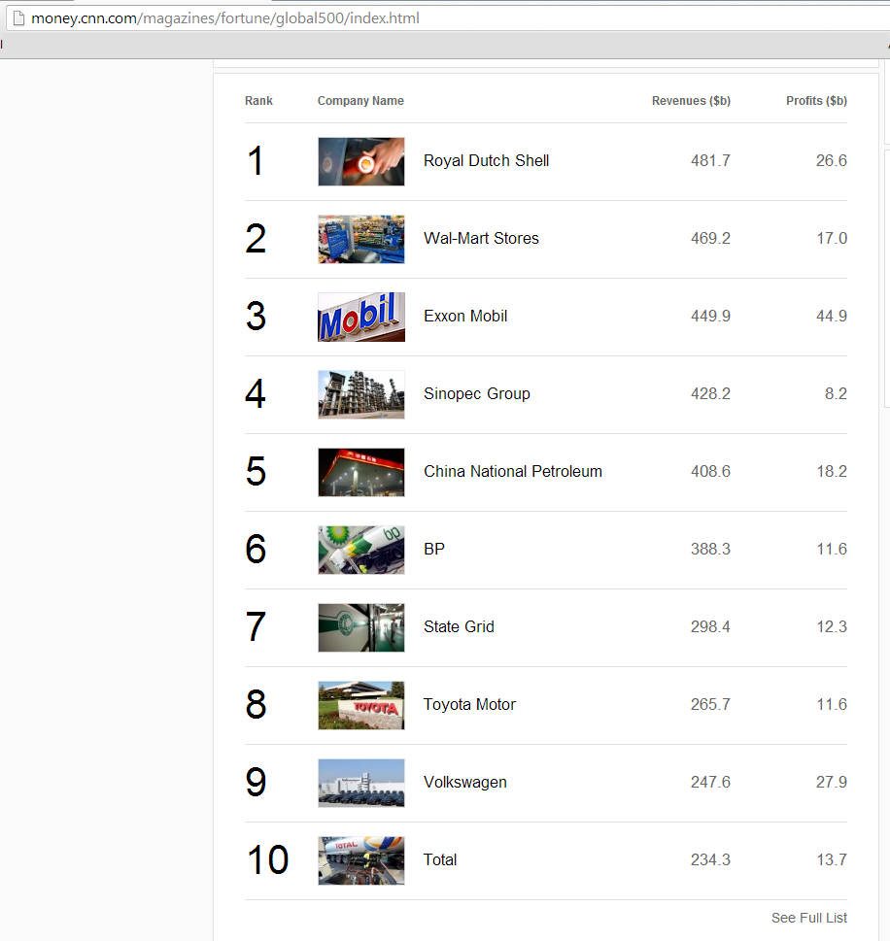
2013-10-27

